Site Plan
Client : | Chris Mason | Site plan for : | 1-3 | Client : | Chris Mason | Site plan for : | 1 | Client : | Chris Mason | Site plan for : | 2 | Client : | Chris Mason | Site plan for : | 3
Project : | WAL-1752 Redlands Road | Date : | Thursday 21st May 2015 | Project : | WAL-1752 Redlands Road | Date : | Thursday 21st May 2015 | Project : | WAL-1752 Redlands Road | Date : | Thursday 21st May 2015 | Project : | WAL-1752 Redlands Road | Date : | Thursday 21st May 2015
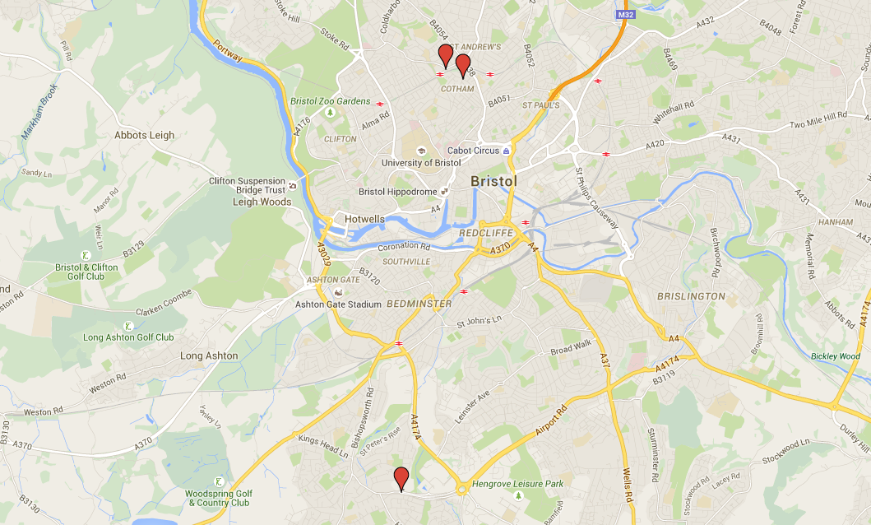
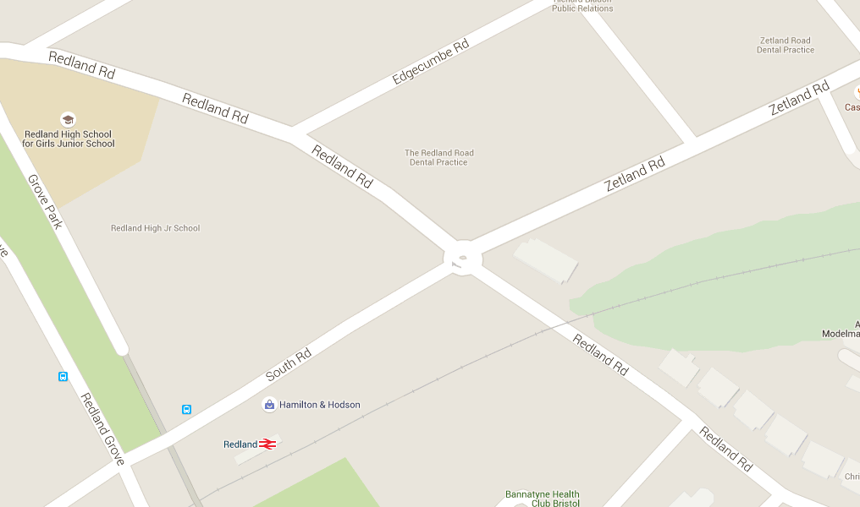
Site 1
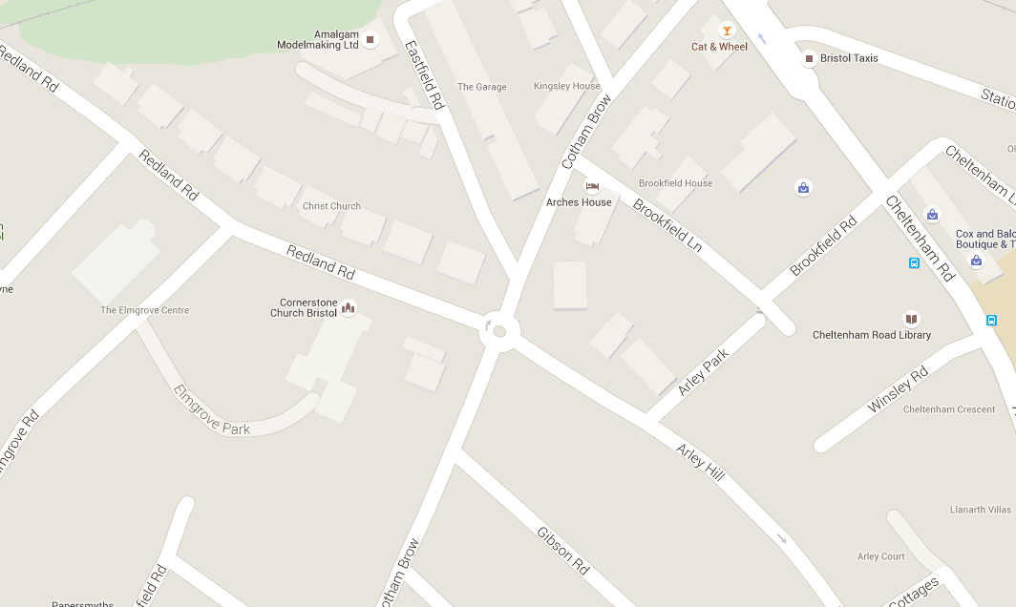
Site 2
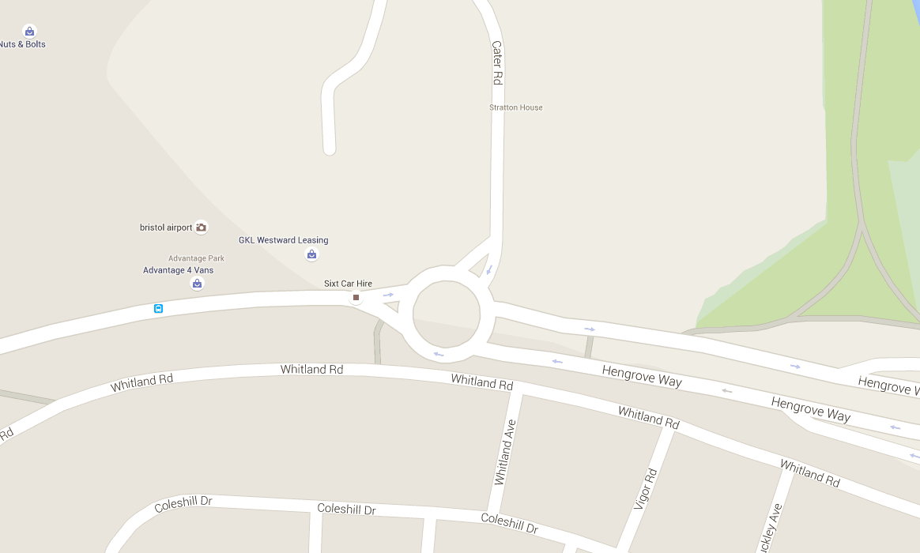
Site 3

1
2

A
A
EB
WB
EB
B
NB
A
WB
NB
WB
SB
D
EB
NB
NB
EB
NB
C
NB
SB
D
SB
C
WB
WB
EB
B
SB
C
SB
B

SB

3

